Sheet1
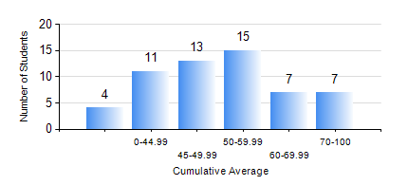
 |  |  | KWAME NKRUMAH UNIVERSITY OF SCIENCE AND TECHNOLOGY, KUMASI Department of Mechanical Engineering

 |  |  | BSC. AUTOMOBILE ENG.

 |  |  | COMPREHENSIVE RECORD OF EXAMINATION RESULTS

 |  |  | RESULTS OF YEAR 1 FIRST SEMESTER, 2023/2024 ACADEMIC YEAR

 | Sn | Course Code |  | Course Name | Credit Hours | Min. Mark | Max. Mark | Avg. Mark | Std. Dev. | No. Passed | No. Trailed | No. (Df) | No. (I) | No. (I*) | No. Tagged(I,I*,Df) | Total
 | 0. |  |  |  |  |  |  | 0 | 0 | 0 | 0 | 0 | 0 | 0 | 0 | 4
 | 1. | AME 167 |  | COMPUTER PROGRAMMING FOR ENGINEERS | 2 | 10 | 90 | 47 | 17.16 | 43 | 10 | 0 | 0 | 0 | 0 | 53
 | 2. | CE 155 |  | ENVIRONMENTAL STUDIES | 2 | 29 | 83 | 55 | 12.73 | 51 | 2 | 0 | 0 | 0 | 0 | 53
 | 3. | EE 151 |  | APPLIED ELECTRICITY | 3 | 19 | 79 | 50 | 13.63 | 44 | 9 | 0 | 0 | 0 | 0 | 53
 | 4. | ENGL 157 |  | COMMUNICATION SKILLS I | 2 | 14 | 83 | 56 | 14.14 | 50 | 3 | 0 | 0 | 0 | 0 | 53
 | 5. | MATH 151 |  | ALGEBRA | 4 | 26 | 86 | 55 | 14.38 | 51 | 2 | 0 | 0 | 0 | 0 | 53
 | 6. | ME 159 |  | TECHNICAL DRAWING | 3 | 40 | 78 | 54 | 10.67 | 53 | 0 | 0 | 0 | 0 | 0 | 53
 | 7. | ME 195 |  | ENGINEERING TECHNOLOGY | 2 | 14 | 86 | 57 | 14.63 | 46 | 7 | 0 | 0 | 0 | 0 | 53

